Sheet1
Name | Description | Image
LGS328C | 24 Gigabit ethernet ports Four 10 Gbps SFP+ uplink ports One Power port One Console port | 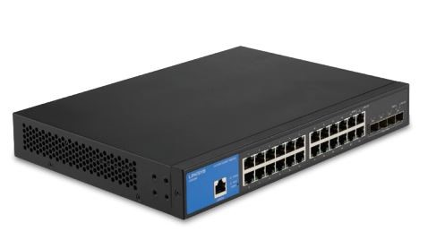
LGS352C | 48 Gigabit ethernet ports Four 10 Gbps SFP+ uplink ports One Power port One Console port | 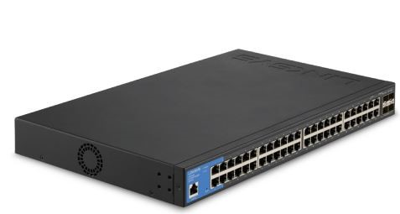
LGS328MPC | 24 PoE+ Gigabit ports Four SFP+ 10 Gbps ports Power port Console port | 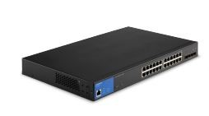
LGS310MPC | Eight PoE+ Gigabit ports Two SFP+ 10 Gbps ports DC 12V power port (back panel) | 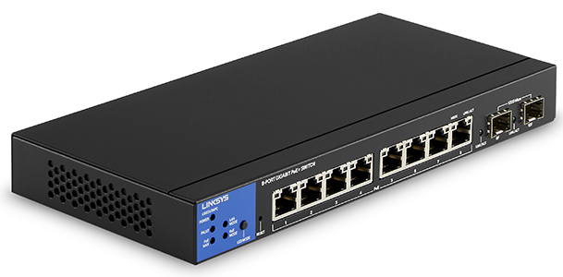
LGS310C | Eight Gigabit ports Two SFP 1 Gbps ports DC IN 12V power port (back panel) | 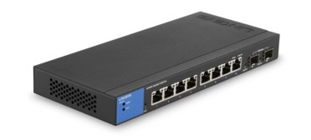
LGS328PC | 24 Gigabit ports Four SFP 1 Gbps uplink ports (25F, 26F, 27F and 28F) One AC LINE power port Console port
LGS352MPC | 48 PoE+ Gigabit ports Four SFP+ 10 Gbps ports Power port Console port | 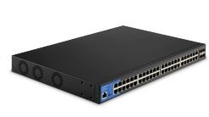
LGS528 | 24-Port Gigabit Managed Switch with 2 SFP Combo Ports | 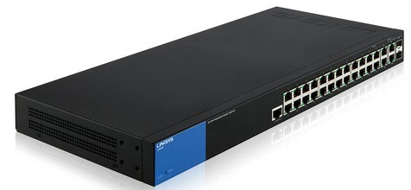
LGS528P | 28-Port Managed Gigabit PoE+ Switch with 2 SFP Combo Ports | 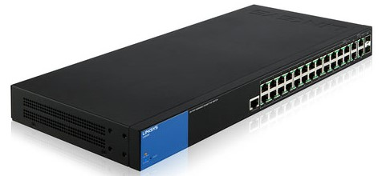
LGS105 | 5-Port Business Desktop Gigabit Switch | 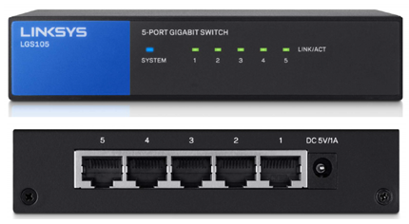
LGS105 v2 | 5-Port Business Desktop Gigabit Switch | 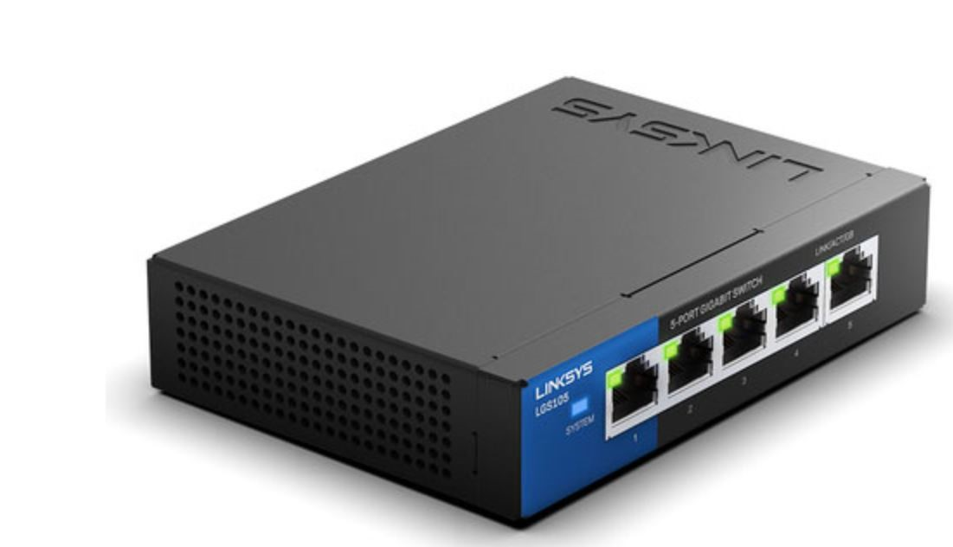
LGS108 | 8-Port Business Desktop Gigabit Switch | 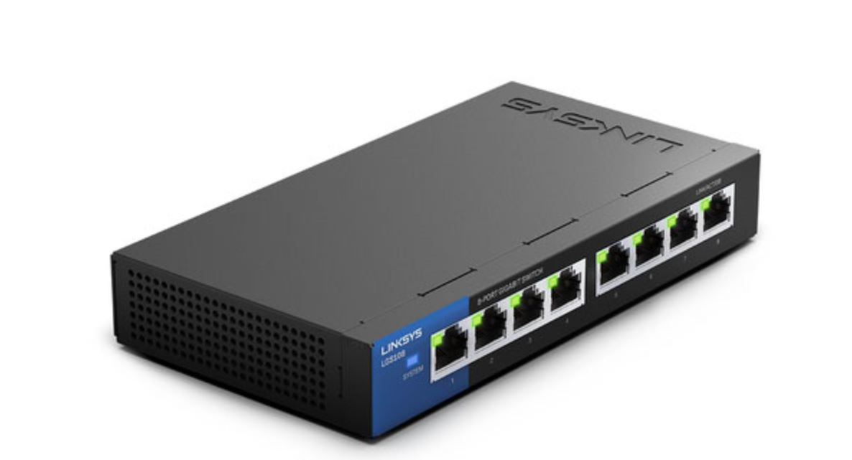
LGS108P | 8-Port Business Desktop Gigabit PoE+ Switch | 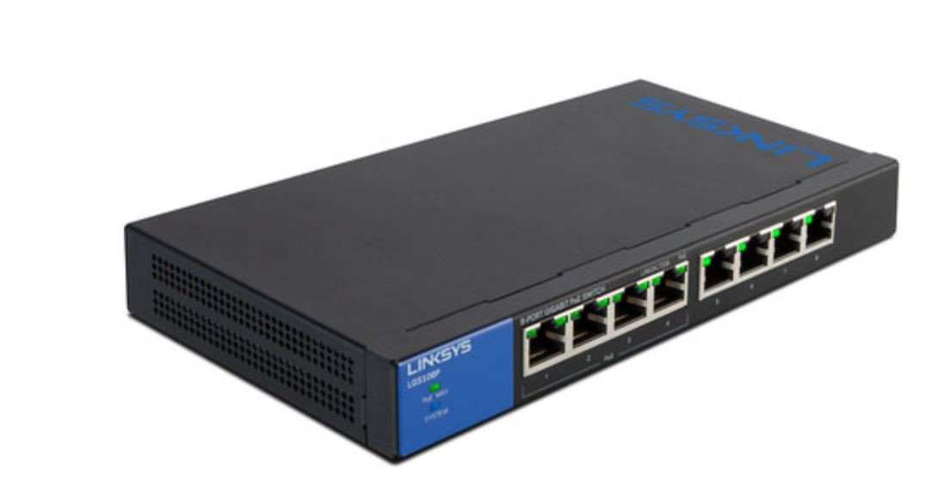
LGS116 | 16-Port Business Desktop Gigabit Switch | 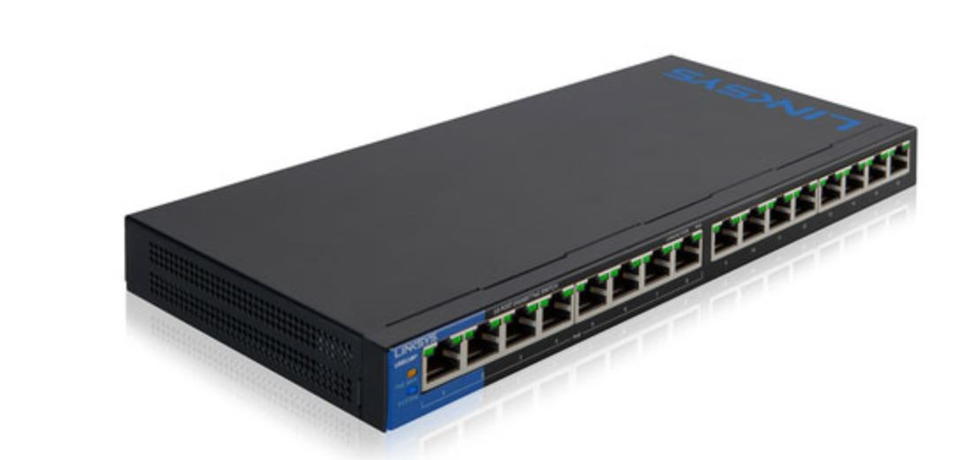
LGS116P | 16-Port Business Desktop Gigabit PoE+ Switch | 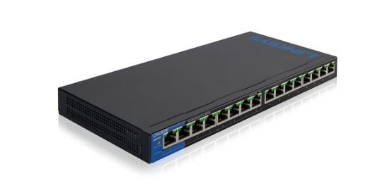
LGS124 | 24-Port Business Gigabit Switch | 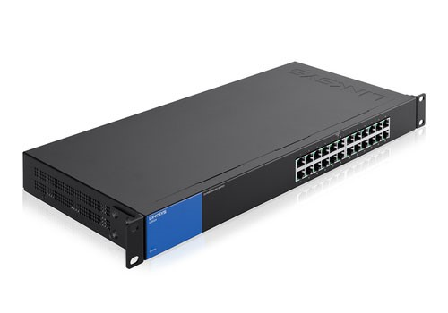
LGS124P | 24-Port Business Gigabit PoE+ Switch | 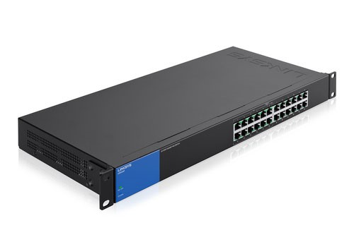
SE3005 v2 | 5-Port Gigabit Ethernet Switch 5-10/100/1000 | 
SE3005 v1 | 5-Port Gigabit Ethernet Switch 5-10/100/1000 | 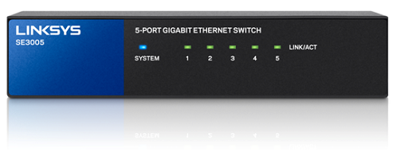
SE3008 | 8-Port Gigabit Ethernet Switch 8-10/100/1000
SE3008 v2 | 8-Port Gigabit Ethernet Switch 8-10/100/1000
SE3016 | 16-Port Gigabit Ethernet Switch 16-10/100/1000
SE3024 | 24-Port Gigabit Ethernet Switch 24-10/100/1000
SE2500 | 5-Ports RJ-45 10/100/1000Mbps Gigabit Ethernet
SE1500 | 5-Port Fast Ethernet Switch 5 x 10/100 desktop
SE2800 | 8-Ports Gigabit Ethernet 8 x 10/100/1000 - desktop
EZXS55W | Five 10/100 RJ-45 Ports, One Shared RJ-45 Uplink Port
EZXS88W | Eight 10/100 RJ-45 Ports, One Shared RJ-45 Uplink Port | 
EZXS16W | Sixteen 10/100 RJ-45 Ports
SRW224G4 | 24-Port 10/100+ 4-Port Giga
LGS308 | 8-Port Gigabit Ethernet
SLM248G | 48-port 10 100 + 2-port Gigabit Smart Switch
PC22224 | 24-Port 10/100 Ethernet Switch
KVM100SK | 2-Port Switch Kit
SF90-24 | 24-Port 10/100 Switch
LGS308P | 8-Port Business Smart Gigabit PoE+Switch | 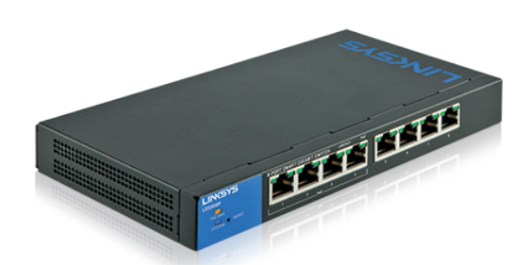
LGS308MP | 8-Port Smart Gigabit PoE+ Switch MP
LGS318P | 18-Port Business Smart Gigabit PoE+Switch
LGS326P | 26-Port Business Smart PoE+Switch
LGS326MP | 26-Port Smart Gigabit PoE+ Switch MP
LGS318 | 18-Port Smart Gigabit Switch | 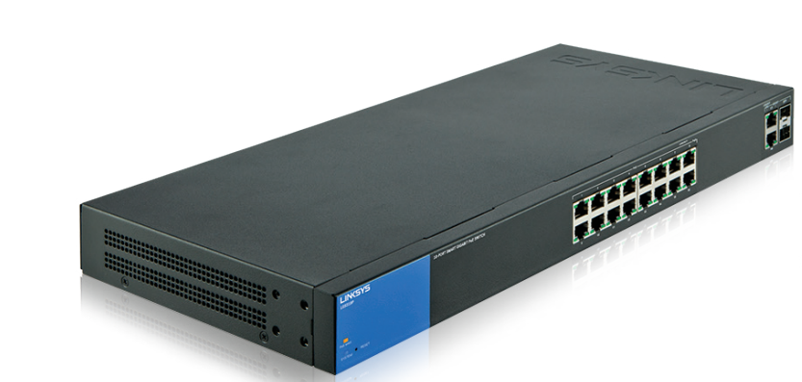
LGS326 | 26-Port Smart Gigabit Switch | 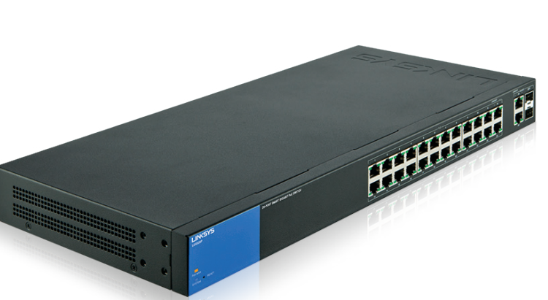
LN2305-KE | Five 2.5 Gbps ports Indicator lights Dimensions (L x W x H): 168 mm x 90 mm x 26 mm Weight: 358 g Power: 5V, 2A
LGS552P | 52-port GbE Smart Switch with PoE and simple Layer 3 functions
LGS552 | 52-Port Managed Gigabit Ethernet Switch | 